Problem 1
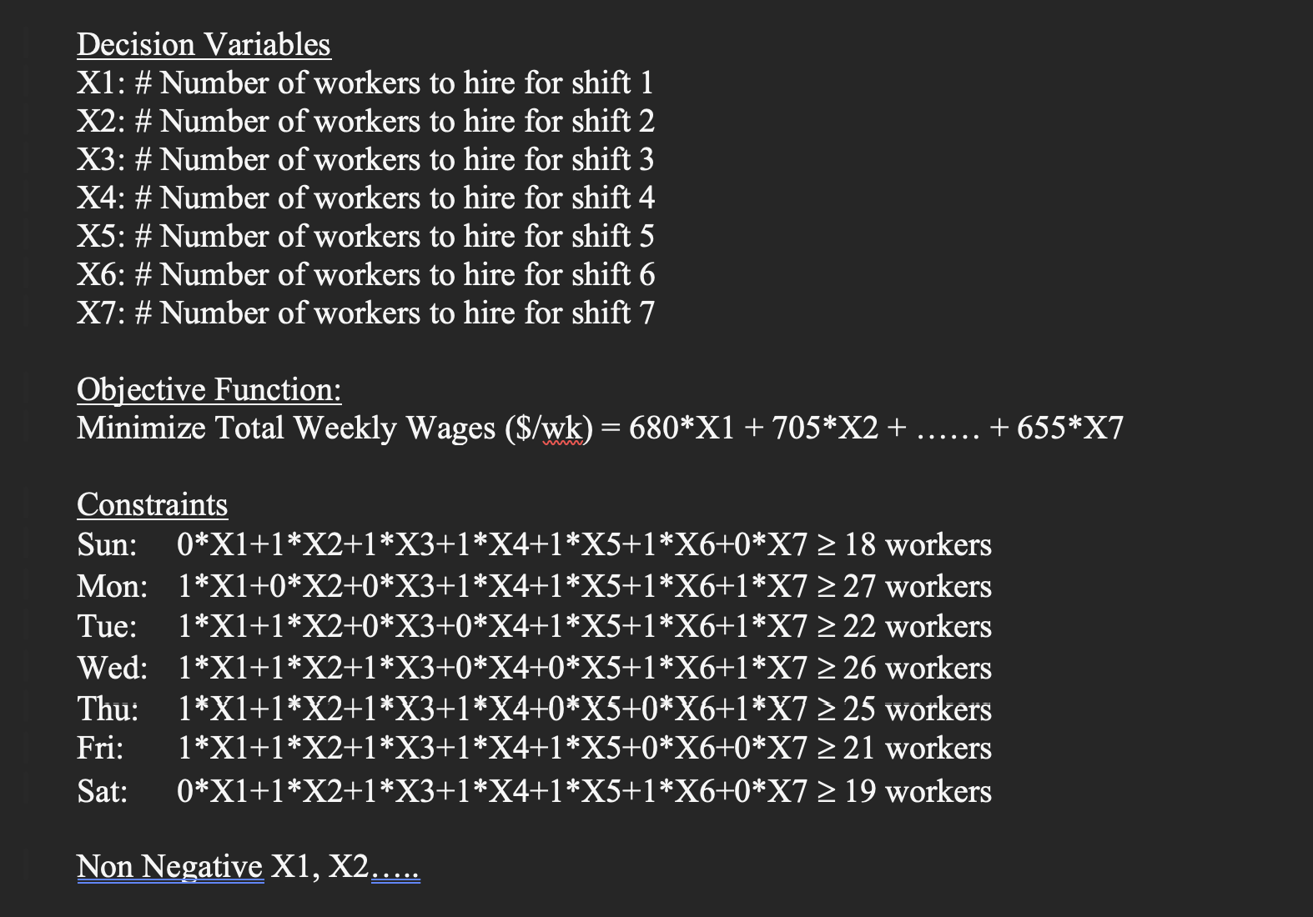
Problem 1
Shift | x | x value | Wages ($) | Sun | Mon | Tue | Wed | Thu | Fri | Sat
1 | X1 ( sun, mon off) | 3 | 680 | 0 | 0 | 1 | 1 | 1 | 1 | 1
2 | X2 (mon, tue off) | 3 | 705 | 1 | 0 | 0 | 1 | 1 | 1 | 1
3 | X3 (Tue, Wec off) | 6 | 705 | 1 | 1 | 0 | 0 | 1 | 1 | 1
4 | X4 (Wed, Thu off) | 0 | 705 | 1 | 1 | 1 | 0 | 0 | 1 | 1
5 | X5 (Thu, Fri Off) | 7 | 705 | 1 | 1 | 1 | 1 | 0 | 0 | 1
6 | X6 (Fri, Sat Off) | 2 | 680 | 1 | 1 | 1 | 1 | 1 | 0 | 0
7 | X7 Sat, Sun Off) | 12 | 655 | 0 | 1 | 1 | 1 | 1 | 1 | 0
 |  |  | Available | 18 | 27 | 24 | 27 | 26 | 24 | 19
 |  |  | Required (given) | 18 | 27 | 22 | 26 | 25 | 21 | 19
Total Wages($) | 22540

